gen - hk (wrong)
 |  |  | normalise for each sample |  | determine ratio expression
 |  |  | 2 (hk-gen) | X10
232 hk | 22.756666667 | 232 hk
232 nanog | 34.466666667 | 232 nanog | 3350.1268319 | 33501.268319 | iPSCs/control | 1.012 | 3311.6473432
232 oct4 | 29.34 | 232 oct4 | 95.89165292 | 958.9165292 | iPSCs/control | 0.07623866499 | 1257.782425
232 sox2 | 27.126666667 | 232 sox2 | 20.67764529 | 206.7764529 | iPSCs/control | 0.001403586151 | 14732.010056
317 hk | 23.19 | 317 hk
317 nanog | 35.153333333 | 317 nanog | 3993.210289 | 39932.10289 | iPSCs/control | 1.206 | 3311.6473432
317 oct4 | 29.65 | 317 oct4 | 88.034676361 | 880.34676361 | iPSCs/control | 0.06999197525 | 1257.782425
317 sox2 | 27.933333333 | 317 sox2 | 26.784627614 | 267.84627614 | iPSCs/control | 0.0018181244455 | 14732.010056
322 hk | 23.11 | 322 hk
322 nanog | 34.463333333 | 322 nanog | 2616.3382115 | 26163.382115 | iPSCs/control | 0.790 | 3311.6473432
322 oct4 | 29.823333333 | 322 oct4 | 104.93363179 | 1049.3363179 | iPSCs/control | 0.08342749089 | 1257.782425
322 sox2 | 27.386666667 | 322 sox2 | 19.382283791 | 193.82283791 | iPSCs/control | 0.0013156577899 | 14732.010056
336 hk | 23.876666667 | 336 hk
336 nanog | 34.993333333 | 336 nanog | 2220.4966304 | 22204.966304 | iPSCs/control | 0.671 | 3311.6473432
336 oct4 | 30.703333333 | 336 oct4 | 113.50929781 | 1135.0929781 | iPSCs/control | 0.09024557472 | 1257.782425
336 sox2 | 28.446666667 | 336 sox2 | 23.75237713 | 237.5237713 | iPSCs/control | 0.0016122971027 | 14732.010056
337 hk | 23.436666667 | 337 hk
337 nanog | 34.85 | 337 nanog | 2727.4430043 | 27274.430043 | iPSCs/control | 0.824 | 3311.6473432
337 oct4 | 30.463333333 | 337 oct4 | 130.38794367 | 1303.8794367 | iPSCs/control | 0.10366494323 | 1257.782425
337 sox2 | 27.623333333 | 337 sox2 | 18.210096553 | 182.10096553 | iPSCs/control | 0.0012360904238 | 14732.010056
340 hk | 23.363333333 | 340 hk
340 nanog | 35.403333333 | 340 nanog | 4211.154234 | 42111.54234 | iPSCs/control | 1.272 | 3311.6473432
340 oct4 | 30.366666667 | 340 oct4 | 128.29608472 | 1282.9608472 | iPSCs/control | 0.10200181062 | 1257.782425
340 sox2 | 26.853333333 | 340 sox2 | 11.235559006 | 112.35559006 | iPSCs/control | 0.0007626630014 | 14732.010056
341 hk | 23.223333333 | 341 hk
341 nanog | 35.416666667 | 341 nanog | 4683.3765866 | 46833.765866 | iPSCs/control | 1.414 | 3311.6473432
341 oct4 | 30.016666667 | 341 oct4 | 110.91674187 | 1109.1674187 | iPSCs/control | 0.08818436294 | 1257.782425
341 sox2 | 27.92 | 341 sox2 | 25.932091559 | 259.32091559 | iPSCs/control | 0.0017602548098 | 14732.010056
fibroblast hk | 20.24 | fibroblast hk
fibroblast nanog | 31.933333333 | fibroblast nanog | 3311.6473432 | 33116.473432 | control/control | 1.000 | 3311.6473432
fibroblast oct4 | 30.536666667 | fibroblast oct4 | 1257.782425 | 12577.82425 | control/control | 1.00000000000 | 1257.782425
fibroblast sox2 | 34.086666667 | fibroblast sox2 | 14732.010056 | 147320.10056 | control/control | 1 | 14732.010056

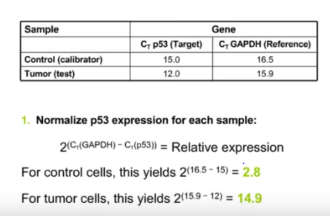
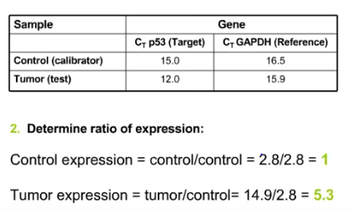

Sheet6
oct4
232 oct4 | 232 | 13.11670397424
322 oct4 | 322 | 11.98645661501
337 oct4 | 337 | 9.64646262153
317 oct4 | 317 | 14.28735217697
336 oct4 | 336 | 11.08087574489
340 oct4 | 340 | 9.80374754023
341 oct4 | 341 | 11.33987893778
sox2
fibroblast oct4 | F | 1.00000000000

232 nanog | 232 | 0.989
322 nanog | 322 | 1.266
337 nanog | 337 | 1.214
317 nanog | 317 | 0.829
336 nanog | 336 | 1.491
340 nanog | 340 | 0.786
nanog
341 nanog | 341 | 0.707
fibroblast nanog | F | 1.000

232 sox2 | 232 | 712.46072022
322 sox2 | 322 | 760.07606816
337 sox2 | 337 | 809.00230335
317 sox2 | 317 | 550.01735578
336 sox2 | 336 | 620.23308131
340 sox2 | 340 | 1311.1951126
341 sox2 | 341 | 568.0995697
fibroblast sox2 | F | 1

