Layout
 | 2019-07-25 | Javier

 | primer : 5 primers pairs
 | std 5 dilutions
 | 42 samples
 | triplicates
 | 1N (1 plate) / experiment |  |  | Primer 1 |  |  |  |  |  |  |  |  |  |  |  | Primer 2
 |  |  |  | 1 | 2 | 3 | 4 | 5 | 6 | 7 | 8 | 9 | 10 | 11 | 12 | 13 | 14 | 15 | 16 | 17 | 18 | 19 | 20 | 21 | 22 | 23 | 24
 | Primers 5 |  | A
1 | BNIP3 2160, 2161 |  | B | 1/10 |  |  | 9 |  |  | 22 |  |  | 36 |  |  | 1/10 |  |  | 9 |  |  | 22 |  |  | 36
2 | NIX Var1, 2162, 2163 |  | C | 1/25 |  |  | 10 |  |  | 23 |  |  | 37 |  |  | 1/25 |  |  | 10 |  |  | 23 |  |  | 37
3 | FKBP8 Iso2 2170, 2171 |  | D | 1/125 |  |  | 11 |  |  | 24 |  |  | 38 |  |  | 1/125 |  |  | 11 |  |  | 24 |  |  | 38
4 | ARIH1 2176, 2177 |  | E | 1/666 |  |  | 12 |  |  | 25 |  |  | 39 |  |  | 1/666 |  |  | 12 |  |  | 25 |  |  | 39
5 | FunDC1 2168, 2169 |  | F | 1/1000 |  |  | 13 |  |  | 26 |  |  | 40 |  |  | 1/1000 |  |  | 13 |  |  | 26 |  |  | 40
 |  |  | G | H2O |  |  | 14 |  |  | 27 |  |  | 41 |  |  | H2O |  |  | 14 |  |  | 27 |  |  | 41
 | Samples 42 |  | H | 1 |  |  | 15 |  |  | 28 |  |  | 42 |  |  | 1 |  |  | 15 |  |  | 28 |  |  | 42
1 | K7_NESCs |  | I | 2 |  |  | 16 |  |  | 29 |  |  |  |  |  | 2 |  |  | 16 |  |  | 29
2 | T12.9_NESCs |  | J | 3 |  |  | 17 |  |  | 30 |  |  |  |  |  | 3 |  |  | 17 |  |  | 30
3 | KOLF_NESCs |  | K | 4 |  |  | 18 |  |  | 31 |  |  |  |  |  | 4 |  |  | 18 |  |  | 31
4 | 2122_NESCs |  | L | 5 |  |  | 19 |  |  | 32 |  |  |  |  |  | 5 |  |  | 19 |  |  | 32
5 | 2124_NESCs |  | M | 6 |  |  | 20 |  |  | 33 |  |  |  |  |  | 6 |  |  | 20 |  |  | 33
6 | 4C1_NESCs |  | N | 7 |  |  | 21 |  |  | 34 |  |  |  |  |  | 7 |  |  | 21 |  |  | 34
7 | K7_untr_week1 |  | O | 8 |  |  |  |  |  | 35 |  |  |  |  |  | 8 |  |  |  |  |  | 35
8 | T12.9_untr_week1 |  | P
9 | KOLF_untr_week1
10 | 2122_untr_week1 |  |  | Primer 3 |  |  |  |  |  |  |  |  |  |  |  | Primer 4
11 | 2124_untr_week1 |  |  | 1 | 2 | 3 | 4 | 5 | 6 | 7 | 8 | 9 | 10 | 11 | 12 | 13 | 14 | 15 | 16 | 17 | 18 | 19 | 20 | 21 | 22 | 23 | 24
12 | 4c1_untr_week1 |  | A
13 | K7_500nM_week1 |  | B | 1/10 |  |  | 9 |  |  | 22 |  |  | 36 |  |  | 1/10 |  |  | 9 |  |  | 22 |  |  | 36
14 | T12.9_500nM_week1 |  | C | 1/25 |  |  | 10 |  |  | 23 |  |  | 37 |  |  | 1/25 |  |  | 10 |  |  | 23 |  |  | 37
15 | KOLF_500nM_week1 |  | D | 1/125 |  |  | 11 |  |  | 24 |  |  | 38 |  |  | 1/125 |  |  | 11 |  |  | 24 |  |  | 38
16 | 2122_500nM_week1 |  | E | 1/666 |  |  | 12 |  |  | 25 |  |  | 39 |  |  | 1/666 |  |  | 12 |  |  | 25 |  |  | 39
17 | 2124_500nM_week1 |  | F | 1/1000 |  |  | 13 |  |  | 26 |  |  | 40 |  |  | 1/1000 |  |  | 13 |  |  | 26 |  |  | 40
18 | 4c1_500nM_week1 |  | G | H2O |  |  | 14 |  |  | 27 |  |  | 41 |  |  | H2O |  |  | 14 |  |  | 27 |  |  | 41
19 | K7_untr_week2 |  | H | 1 |  |  | 15 |  |  | 28 |  |  | 42 |  |  | 1 |  |  | 15 |  |  | 28 |  |  | 42
20 | T12.9_untr_week2 |  | I | 2 |  |  | 16 |  |  | 29 |  |  |  |  |  | 2 |  |  | 16 |  |  | 29
21 | KOLF_untr_week2 |  | J | 3 |  |  | 17 |  |  | 30 |  |  |  |  |  | 3 |  |  | 17 |  |  | 30
22 | 2122_untr_week2 |  | K | 4 |  |  | 18 |  |  | 31 |  |  |  |  |  | 4 |  |  | 18 |  |  | 31
23 | 2124_untr_week2 |  | L | 5 |  |  | 19 |  |  | 32 |  |  |  |  |  | 5 |  |  | 19 |  |  | 32
24 | 4c1_untr_week2 |  | M | 6 |  |  | 20 |  |  | 33 |  |  |  |  |  | 6 |  |  | 20 |  |  | 33
25 | K7_500nM_week2 |  | N | 7 |  |  | 21 |  |  | 34 |  |  |  |  |  | 7 |  |  | 21 |  |  | 34
26 | T12.9_500nM_week2 |  | O | 8 |  |  |  |  |  | 35 |  |  |  |  |  | 8 |  |  |  |  |  | 35
27 | KOLF_500nM_week2 |  | P
28 | 2122_500nM_week2
29 | 2124_500nM_week2 |  |  | Primer 5 |  |  |  |  |  |  |  |  |  |  |  | Housekeeper 1
30 | 4c1_500nM_week2 |  |  | 1 | 2 | 3 | 4 | 5 | 6 | 7 | 8 | 9 | 10 | 11 | 12 | 13 | 14 | 15 | 16 | 17 | 18 | 19 | 20 | 21 | 22 | 23 | 24
31 | K7_Neurons_Untr_week3 |  | A
32 | T12.9_Neurons_Untr_week3 |  | B | 1/10 |  |  | 9 |  |  | 22 |  |  | 36 |  |  | 1/10 |  |  | 9 |  |  | 22 |  |  | 36
33 | KOLF_Neurons_Untr_week3 |  | C | 1/25 |  |  | 10 |  |  | 23 |  |  | 37 |  |  | 1/25 |  |  | 10 |  |  | 23 |  |  | 37
34 | 2122_Neurons_Untr_week3 |  | D | 1/125 |  |  | 11 |  |  | 24 |  |  | 38 |  |  | 1/125 |  |  | 11 |  |  | 24 |  |  | 38
35 | 2124_Neurons_Untr_week3 |  | E | 1/666 |  |  | 12 |  |  | 25 |  |  | 39 |  |  | 1/666 |  |  | 12 |  |  | 25 |  |  | 39
36 | 4C1_Neurons_Untr_week3 |  | F | 1/1000 |  |  | 13 |  |  | 26 |  |  | 40 |  |  | 1/1000 |  |  | 13 |  |  | 26 |  |  | 40
37 | K7_Neurons_500nM_week3 |  | G | H2O |  |  | 14 |  |  | 27 |  |  | 41 |  |  | H2O |  |  | 14 |  |  | 27 |  |  | 41
38 | T12.9_Neurons_500nM_week3 |  | H | 1 |  |  | 15 |  |  | 28 |  |  | 42 |  |  | 1 |  |  | 15 |  |  | 28 |  |  | 42
39 | KOLF_Neurons_500nM_week3 |  | I | 2 |  |  | 16 |  |  | 29 |  |  |  |  |  | 2 |  |  | 16 |  |  | 29
40 | 2122_Neurons_500nM_week3 |  | J | 3 |  |  | 17 |  |  | 30 |  |  |  |  |  | 3 |  |  | 17 |  |  | 30
41 | 2124_Neurons_500nM_week3 |  | K | 4 |  |  | 18 |  |  | 31 |  |  |  |  |  | 4 |  |  | 18 |  |  | 31
42 | 4C1_Neurons_500nM_week3 |  | L | 5 |  |  | 19 |  |  | 32 |  |  |  |  |  | 5 |  |  | 19 |  |  | 32
 |  |  | M | 6 |  |  | 20 |  |  | 33 |  |  |  |  |  | 6 |  |  | 20 |  |  | 33
 |  |  | N | 7 |  |  | 21 |  |  | 34 |  |  |  |  |  | 7 |  |  | 21 |  |  | 34
 |  |  | O | 8 |  |  |  |  |  | 35 |  |  |  |  |  | 8 |  |  |  |  |  | 35
 |  |  | P

 |  |  |  | Housekeeper 2
 |  |  |  | 1 | 2 | 3 | 4 | 5 | 6 | 7 | 8 | 9 | 10 | 11 | 12 | 13 | 14 | 15 | 16 | 17 | 18 | 19 | 20 | 21 | 22 | 23 | 24
 |  |  | A
 |  |  | B | 1/10 |  |  | 9 |  |  | 22 |  |  | 36
 |  |  | C | 1/25 |  |  | 10 |  |  | 23 |  |  | 37
 |  |  | D | 1/125 |  |  | 11 |  |  | 24 |  |  | 38
 |  |  | E | 1/666 |  |  | 12 |  |  | 25 |  |  | 39
 |  |  | F | 1/1000 |  |  | 13 |  |  | 26 |  |  | 40
 |  |  | G | H2O |  |  | 14 |  |  | 27 |  |  | 41
 |  |  | H | 1 |  |  | 15 |  |  | 28 |  |  | 42
 |  |  | I | 2 |  |  | 16 |  |  | 29
 |  |  | J | 3 |  |  | 17 |  |  | 30
 |  |  | K | 4 |  |  | 18 |  |  | 31
 |  |  | L | 5 |  |  | 19 |  |  | 32
 |  |  | M | 6 |  |  | 20 |  |  | 33
 |  |  | N | 7 |  |  | 21 |  |  | 34
 |  |  | O | 8 |  |  |  |  |  | 35
 |  |  | P

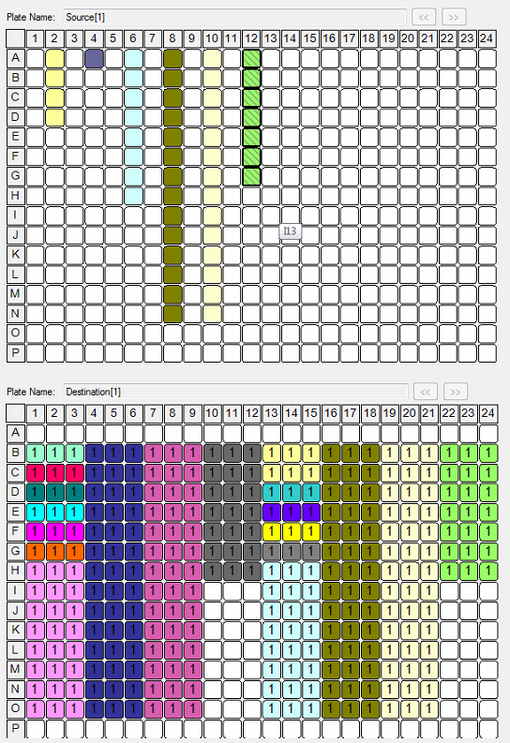
 |  |  |  | Order of addition | Added by | Final Vol in nL | 5000 |  |  |  |  |  |  |  | H2O | Std | 1 to 8 | 9 to 21 | 22 to 35 | 36 to 42
 |  |  |  |  |  |  |  |  | volume
 |  |  |  |  |  | Mix | 2500
 |  |  |  |  |  |  |  |  | + dead volume
 |  |  |  |  | in the mix | Primers F+R | 500 |  | 84000

 |  |  |  |  | Pipette | Mix + H2O | 4300 |  | 4334400

 |  |  |  |  | ECHO | Standard
 |  |  |  |  |  | 10.00 | 500
 |  |  |  |  |  | 25.00 | 200
 |  |  |  |  |  | 125.00 | 40
 |  |  |  |  |  | 666.00 | 7.5
 |  |  |  |  |  | 1000.00 | 5 | total | + dead volume
 |  |  |  |  |  |  |  | 15803 | 27803
 |  |  |  |  | ECHO | H2O2 up to final vol
 |  |  |  |  |  | 10.00 | -300.00
 |  |  |  |  |  | 25.00 | 0.00
 |  |  |  |  |  | 125.00 | 160.00
 |  |  |  |  |  | 625.00 | 192.50
 |  |  |  |  |  | 1000.00 | 195.00

 |  |  |  |  | ECHO | Sample 1/25 | 200.00 | total | + dead volume
 |  |  |  |  |  |  |  | 4200 | 16200

